CSS - GS
CSS - Cascading Style Sheets
Level | Tag | Description | Tag availability
CSS code is a bunch of CSS Rules
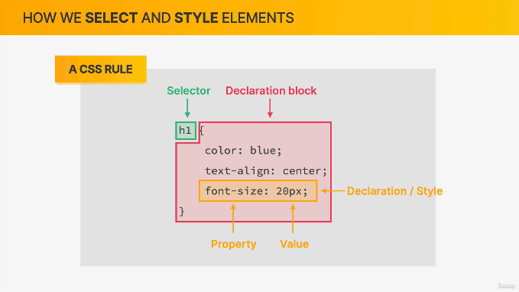
A CSS rule consists of
Selector
Declaration Block
Selector
Selector is used to select the HTML tag to be formatted
If we want to format text in h1 HTML tag
Then we give h1 in the selector
Declaration Block
Here, we have to declare the style
It should be within {}
Declaration block consists of a bunch of declarations or styles
Each declaration/ style consists of property and a value
We have to specify the property which we wanna change
And assign the proper value for the property

Selector | h1, h2, p, li etc., | To select the HTML element h1, h2, p, li etc respectively

Declarations

